BALANCE SHEET-GROWTH CHART
YEAR | SALE | 12% Growth chart from 2008-2009 sale | 20% Growth chart from 2008-2009 sale | Balance Sheet N.PROFIT

2008-2009 | 9960575.13 | 11952690.156 | 11952690.156 | 468603.74
2009-2010 | 16992330.69 | 13387012.97 | 14343228.19 | 530533.07
20010-2011 | 22892252.12 | 14993454.53 | 17211873.82 | 814378.81
2012 | 27271450.64 | 16792669.08 | 20654248.59 | 973487.03
2013 | 32392741.62 | 18807789.36 | 24785098.31 | 1621595.59
2014 | 38240324.12 | 21064724.09 | 29742117.97 | 1919326.80
2015 | 37895536.85 | 23592490.98 | 35690541.56 | 2109381.75
2016 | 40817829.52 | 26423589.90 | 42828649.88 | 2590359.53
2017 | 46483389.03 | 29594420.68 | 51394379.85 | 3037274.85
2018 | 48200275.47 | 33145751.17 | 61673255.82 | 3286088.89
2019 | 47323207.46 | 37123241.31 | 74007906.98 | 3301400.34
2020 | 50585755.29 | 41578030.26 | 88809488.38 | 3452920.70
2021 | 63585561.94 | 46567393.89 | 106571386.06 | 4449218.38
2022 | 65353280.40 | 52155481.16 | 127885663.27 | 1865909.38
2023 | 54520924.62 | 58414138.90 | 153462795.92 | 1334867.33
2024 | 58949703.00 | 65423835.57 | 184155355.11 | 1441258.00
2024-2025 | 65925396.90 | 73274695.84 | 220986426.13
2025-2026 |  | 82067659.34 | 265183711.36

copany List

 |  | Balaji Surgicals
 |  | Nawabi Road, Haldwani-263 139

 |  | GSTIN No.: 05ADGPA2715B1ZH
 |  | D.L.No. 20B: 121663, 21B: 121664
 |  | Ph.: 97193 04441
 |  | e-mail : balajisumit@yahoo.co.in

 | Company | Product Range

1 | Enmedy | Surgical & Ortho Products
2 | Ethicon - Johnson & Johnson | Suture Material, Lega Clip, Mesh
3 | Cygnet Meditech | Suture Material, Lega Clip, Mesh

4 | Romsons | Surgical Disposables
5 | Viggo India | Surgical Disposables
6 | BD | Surgical Disposables
7 | Medikit | Surgical Disposables

8 | BSN | Gypsona, Cuticel & Leukoplast
9 | Datt Mediproducts | Surgical Dressings
10 | G.Surgiwear | Surgical Dressings
11 | Coloplast | Surgical Dressings
12 | Holister | Surgical Dressings
13 | Apex Medivisions | Surgical Tape & Dressings
14 | Medigrip | Adhesive Tape

15 | Rusch Germany | Foley's
16 | Bardia | 3-Way Foleys

17 | AnselI Gloves-Srilanka | Powder Free Gloves
18 | Surgicare | Gloves

19 | Dr Reddys | Betadine Solutions
20 | Pharma Synth | Enema, Savlon
21 | Sisla Laboratory | Hospital Spirit & all Chemicals
22 | Bio Lab | Hospital Chemicals
23 | SGS Hearbals | Hospital Cleansing Products
24 | Faith Micro Solutions | OT Sterilization Chemicals

25 | Nexa Healthcare | OT & Anesthesia Injectables
26 | Neon | OT & Anesthesia Injectables
27 | Troikaa | Inj. Dynapar
28 | Carewin | OT & Anesthesia Injectables
29 | Punishka Heathcare | IV Fluid

30 | Medisafe | ICU & OT Disposable Range

31 | Bioplus | Medical Equipments
32 | Curomed | Medical Equipments
33 | Dispovan | Syringes
34 | Portex | Tracestomy Tubes
35 | B.Brawn | Epidural Kits

36 | Abgel
37 | Everest Laboratory | Gauze Than
38 | Sree India Surgicals | Surgical Cotton

39 | Tynor | Orthopedic Products

40 | Dr. Morpen | Glucometer & BP
41 | One Above | Glucometer

42 | Karemed | Adult Diapers
43 | Tulip International | Ear Buds, Baby Wipes
44 | LuvLap | Baby Products

45 | Equinox | Digital BP & Weighning Scale
46 | Alcan Oxygen Therapy | Oxygen Cylinders
47 | Eagle Exports | Autoclaves
48 | Supreme Enterprises | Suction Machine
49 | Diamond BP | BP Apparatus
50 | Krups | Personal Weighning Scale
51 | Perfexa | Medical Equipments
52 | Genius | Misc Products

53 | Coronation | Hot Water Bottle

54 | Bristol India | ECG Rolls
55 | Vikamshi | Machintosh

56 | Omsons | Hydrometers
57 | Power Pack | Autoclave & Sterilizer Elements

cdsco
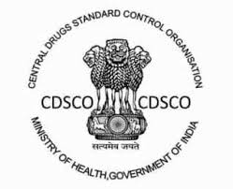
Product Registered under
CDSCO
Central Drugs Standard
Control Organization
Medical Device "Class A"
(Non-Sterile and Non-Measuring)
Registration No.
Enmedy-Naini-UK/M/MD/018925

ICICI BANK DETAILS
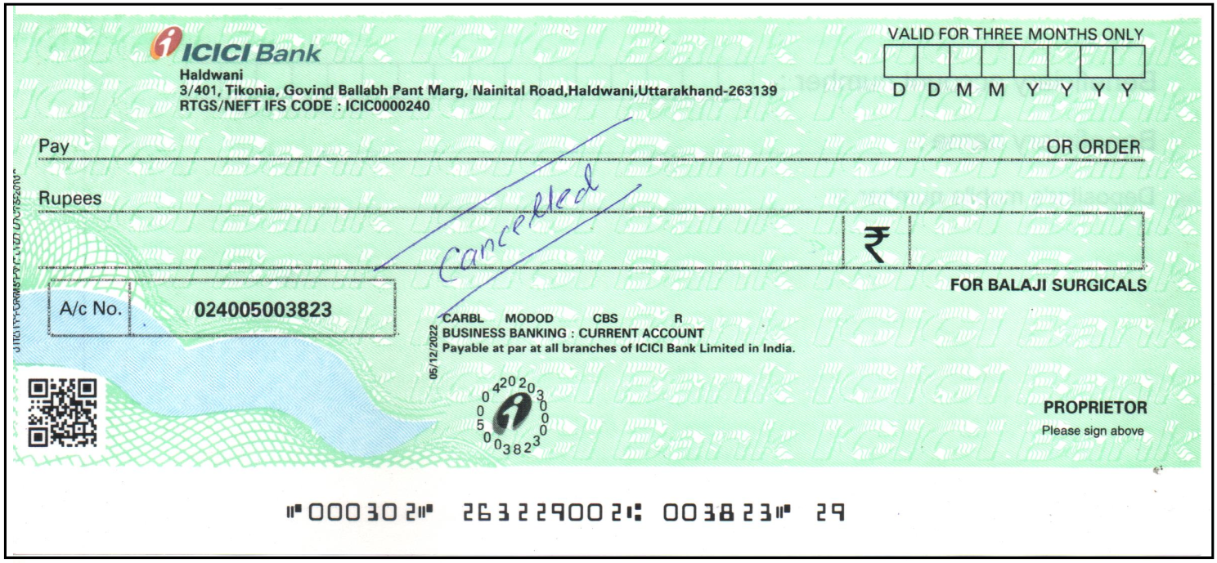
Account Holder | Balaji Surgicals
Bank | ICICI Bank
Address | Tikonia, Nainital Road, Haldwani
Account No. | 024005003823
IFSC Code | ICIC0000240

